Results
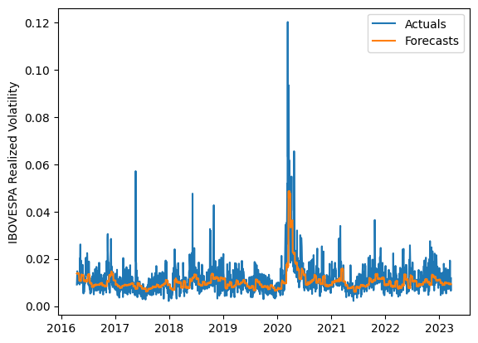
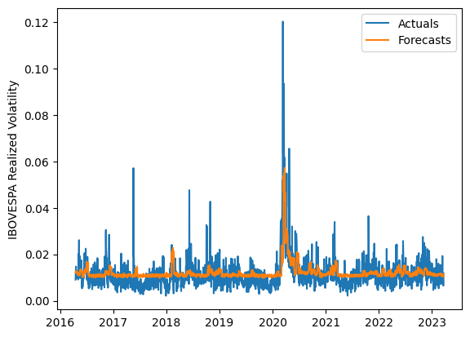
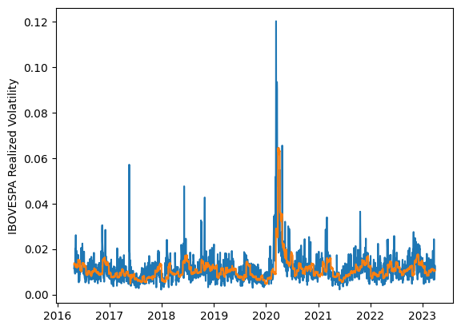
 | LSTM |  |  | TCN |  |  | NBEATSx |  |  |  |  | LSTM |  |  | TCN |  |  | NBEATSx
 | Accuracy | RMSE | Qlike | Accuracy | RMSE | Qlike | Accuracy | RMSE | Qlike |  |  | Accuracy | RMSE | Qlike | Accuracy | RMSE | Qlike | Accuracy | RMSE | Qlike
Trial 1 | 64.75% | 0.37% | 8.78% | 61.63% | 0.38% | 10.11% | 65.39% | 0.39% | 9.50% |  | Mean | 65.65% | 0.366% | 0.086 | 55.86% | 0.410% | 0.122 | 65.88% | 0.390% | 0.096
Trial 2 | 67.29% | 0.36% | 8.05% | 57.75% | 0.39% | 11.49% | 66.05% | 0.39% | 9.62% |  | Standard Deviation | 3.27% | 0.013% | 0.010 | 5.90% | 0.042% | 0.023 | 0.32% | 0.002% | 0.002
Trial 3 | 57.56% | 0.40% | 11.26% | 57.38% | 0.40% | 11.67% | 65.48% | 0.39% | 9.40% |  | 95% CI upper bound | 72.19% | 0.392% | 0.106 | 67.67% | 0.495% | 0.167 | 66.53% | 0.395% | 0.099
Trial 4 | 69.78% | 0.36% | 7.60% | 57.05% | 0.40% | 11.60% | 65.61% | 0.39% | 9.50% |  | 95% CI lower bound | 59.12% | 0.341% | 0.066 | 44.06% | 0.326% | 0.076 | 65.23% | 0.386% | 0.093
Trial 5 | 69.44% | 0.36% | 7.66% | 58.01% | 0.39% | 11.34% | 66.00% | 0.39% | 9.78% |  | 99.7% CI upper bound | 75.45% | 0.405% | 0.116 | 73.57% | 0.537% | 0.190 | 66.86% | 0.398% | 0.101
Trial 6 | 60.60% | 0.39% | 10.18% | 41.86% | 0.51% | 17.63% | 66.01% | 0.39% | 9.81% |  | 99.7% CI lower bound | 55.85% | 0.328% | 0.056 | 38.15% | 0.284% | 0.053 | 64.91% | 0.383% | 0.091
Trial 7 | 63.19% | 0.37% | 9.27% | 52.94% | 0.42% | 13.26% | 66.07% | 0.39% | 9.47%
Trial 8 | 64.82% | 0.37% | 8.81% | 60.93% | 0.38% | 10.35% | 65.44% | 0.39% | 9.61%
Trial 9 | 66.83% | 0.36% | 8.18% | 58.60% | 0.39% | 11.02% | 66.38% | 0.39% | 9.47%
Trial 10 | 66.56% | 0.36% | 8.21% | 42.41% | 0.51% | 17.44% | 66.02% | 0.39% | 9.36%
Trial 11 | 67.18% | 0.36% | 8.08% | 57.45% | 0.40% | 11.45% | 66.03% | 0.39% | 9.50%
Trial 12 | 65.93% | 0.36% | 8.47% | 56.68% | 0.40% | 11.79% | 66.12% | 0.39% | 9.56%
Trial 13 | 66.88% | 0.36% | 8.19% | 57.46% | 0.40% | 11.54% | 66.35% | 0.39% | 9.90%
Trial 14 | 65.09% | 0.37% | 8.70% | 58.77% | 0.39% | 11.10% | 65.77% | 0.39% | 9.75%
Trial 15 | 68.86% | 0.36% | 7.73% | 58.99% | 0.39% | 11.02% | 65.52% | 0.39% | 9.61%

 | LSTM (best trial) |  |  |  |  |  |  |  |  | TCN (best trial) |  |  |  |  |  |  |  |  | NBEATSx (best trial)

